Sheet1
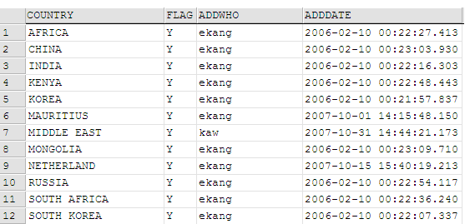

List of countries configured in our back-end to incur re-palletized charges.

